Sheet1
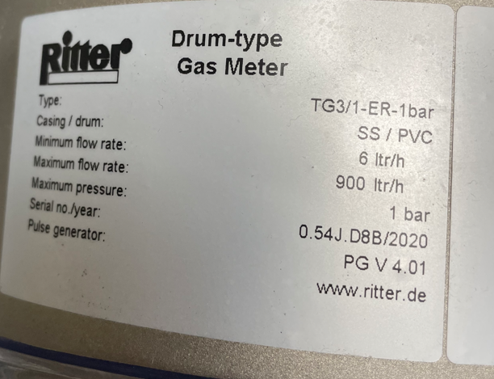
TG3/1 Ritter Gas Flow Meter |  |  |  |  |  |  | TG3/1 Ritter Gas Flow Meter
Flow Rate (Liters/Hour) | Flow Rate (cuft/hr) | Totalized Flow (cu.ft) | Totalized Flow (cu.ft)-Ideal | Notes |  |  | Flow Rate (Liters/Hour) | Totalized Flow (Liters)
4 | 0.14 | 1 |  |  |  |  | 4
20 | 0.71 | 1 |  |  |  |  | 250
500 | 17.66 | 6 |  |  |  |  | 460 | 850
900 | 31.78 | 6 |  | Calibration Zero Point |  |  | 900 | Calibration Zero Point
1100 | 38.85 | 6 |  |  |  |  | 1100 | 1840
1300 | 45.91 | 6 |  |  |  |  | Everything in yellow is a flow/total that we use
 |  |  |  |  |  | 40519.5
TG10/4 Ritter Gas Flow Meter |  |  |  |  |  | 40404 | TG10/4 Ritter Gas Flow Meter
Flow Rate (Liters/Hour) | Flow Rate (cuft/hr) | Totalized Flow (cu.ft) | Totalized Flow (cu.ft)-Ideal | Notes |  | 47746.4 | Flow Rate (Liters/Hour) | Totalized Flow (Liters)
4 | 0.14 |  |  |  |  |  | 4
250 | 8.83 |  |  |  |  | 446 | 250
460 | 16.24 | 6 | 30 |  | 40519.5 | 223 | 460 | 850
1100 | 38.85 | 6 | 65 | Calibration Zero Point |  |  | 1100 | 1840
1300 | 45.91 |  |  |  |  |  | 1300
 |  |  |  |  |  |  | Everything in yellow is a flow/total that we use
Everything in yellow is a flow/total that we use

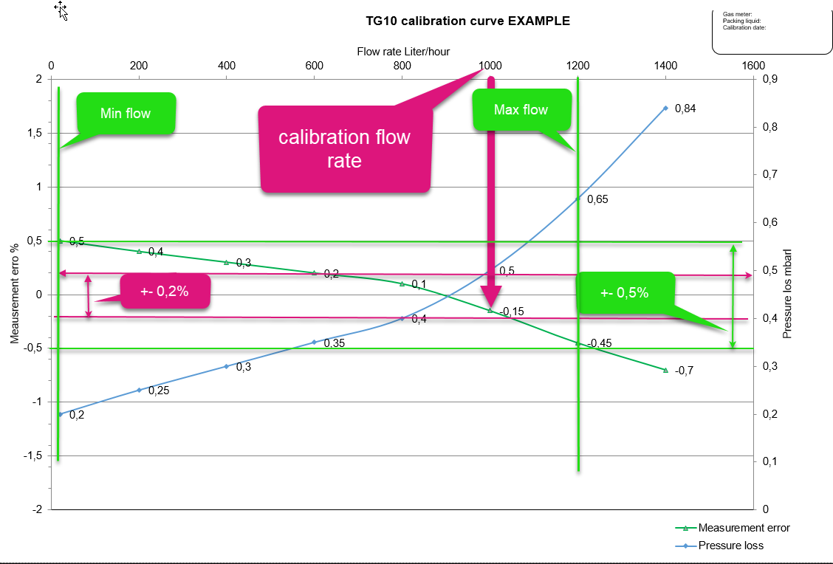

Data provided by Ritter

